Sheet1
Test case Name | Test case Description | Steps | Expected Result | Actual Result | Evidence -1 | Evidence -2
Testing Login Form | The Login Form should be displayed | 1)Open the Home Page | The login form should appear with | The login form appears with | 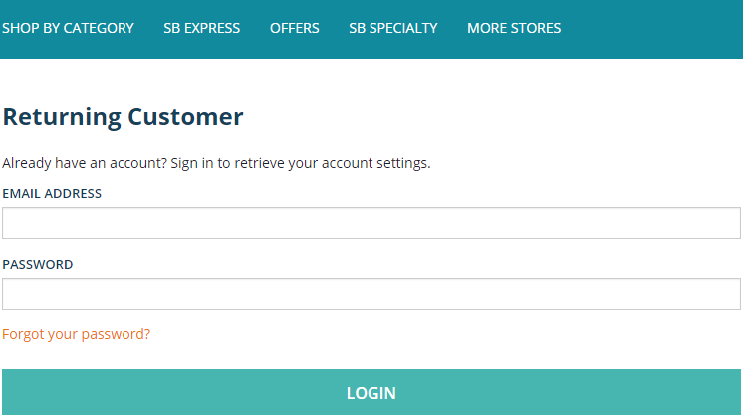
 | on the left side of the page. | 2)Click on sign in/register to see if login form appears | textbox for email and password | textbox for email and password
 |  | 3)If appears,then proceed to next test case. | along with the login button. | along with the login button.

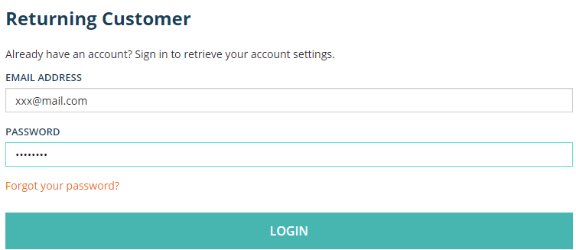
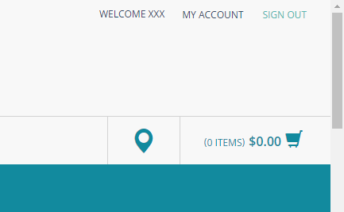
Testing The Login Button | On clicking the login button, | 1)On the login form, enter the user's credentials and click the | On entering the user's credentials, | On entering the user's credentials,
 | the user should be able to log in. | login button. | the user should be logged in. | the user logs in.
 |  | 2)Check if the user is logged in successfully.
 |  | 3)If successful, proceed to next test case.
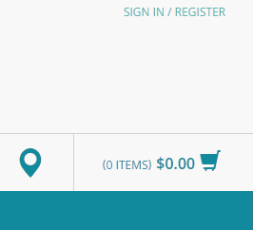
Testing The Sign Out Link | On clicking sign out, the user | 1)Click the sign out link | On clicking the sign out link, | On clicking the sign out link,
 | should be logged out. | 2)Check if the user is logged out successfully | the user should be logged out. | the user logs out.
 |  | 3)If successful, all test cases are passed.

